Instructions
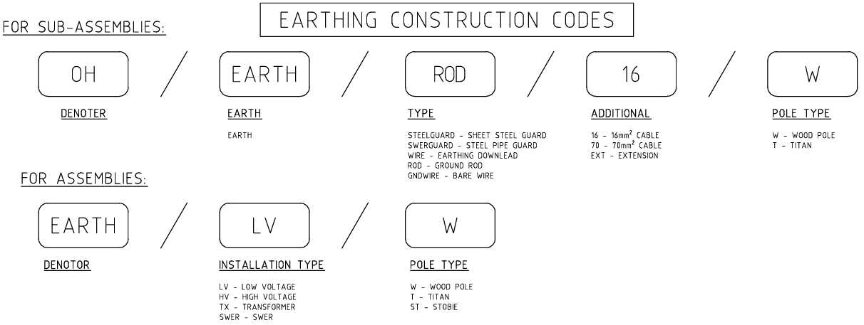
Instructions

1. Complete all yellow boxes at the top of the Materials Order Sheet tab.
2. The materials section can be expanded and collapsed using Outline tools as explained in the below diagram.
If you can't see the outline tools as shown above, press CTRL+8. This will toggle the outline tools on and off.
3. Enter quantities in the yellow boxes next to the APL's and materials you require. Select your APL requirements first, (they're grouped by Sections in the Construction Standards), then add any additional individual materials. These are grouped in categories below the APL's.
4. If you wish to check which materials you'll receive in an APL, go to the 'View APL' tab, enter the 6 digit APL number in the yellow box, then press enter. The components you will receive will be displayed. This is for your info only. Do not copy and paste onto the main Material Order Sheet page.
5. In the unlikely instance you need materials you can't find on the list, there's a section to enter these at the bottom of the spreadsheet.
6. Once completed, email the spreadsheet to ContractorProgram@tasnetworks.com.au. Ideally this needs to be at least 6 weeks prior to the Requirmement Date to permit inventory planning, and time to pick, pack and deliver.

This spreadsheet will be updated as the Construction Standards are updated and materials change. Please ensure you're always accessing this spreadsheet via the link, not a saved copy on your computer, to ensure you're always using the current version.
If you have any suggestions to make this spreadsheet more user friendly, please contact pamela.skapin@tasnetworks.com.au

Naming Conventions for APL's

Section 1 - SERVICES

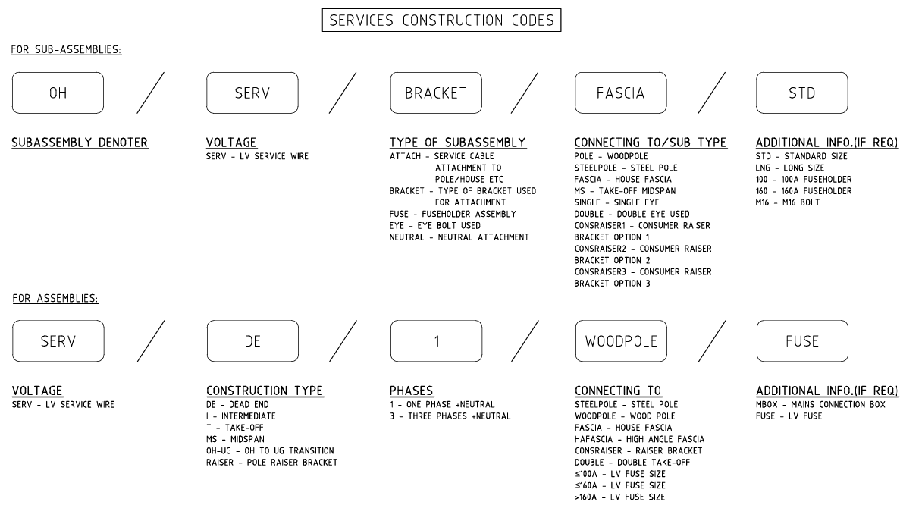

Section 2 - LV Constructions LVABC
For Assemblies:
Voltage |  | Construction Type |  | Phases |  | Cable size
LVABC | / | S | / | 3 | / | 95
LVABC - Low Voltage ABC cable |  | I - Intermediate |  | 1 - single phase, 2 cores |  | 50 - 50mm2 LVABC cable
 |  | DE - Dead End |  | 3 - three phase, 4 cores |  | 95 - 95mm2 LVABC cable
 |  | S - Strain |  |  |  | 150 - 150mm2 LVABC cable
 |  | RS - Right Angle Strain
 |  | T - Tee Off
 |  | O - Offset

For Sub Assemblies:
Sub assembly denoter |  | Voltage |  | Type of sub assembly |  | Sub type of sub assembly |  | Details
OH | / | LV | / | EYE | / | SINGLE | / | M16
 |  | LV - Low Voltage Open Wire |  | EYE - eye bolt used to hold LVABC |  | SINGLE - single eye |  | M16 - M16 bolt
 |  |  |  |  |  | DOUBLE - double eye
Section 2 - LV Constructions Bare
For Assemblies:
Voltage |  | Construction Type |  | Phases |  | Cross arm type
LV | / | I | / | 3 | / | FRP
LV - Low Voltage Open Wire |  | I - Intermediate |  | 1 - One phase + Neutral |  | FRP - standard fibreglass cross arm
 |  | DE - Dead End |  | 3 - Three phases + Neutral |  | FRPLONG - long fibreglass cross arm for going around Tx
 |  | S - Strain
 |  | RS - Right Angle Strain
 |  | T - Tee Off
 |  | O - Offset
 |  | X-Crossover
For Sub Assemblies:
Sub assembly denoter |  | Voltage |  | Type of sub assembly |  | sub type of sub assembly |  | Additional information (if required)
OH | / | LV | / | XARM | / | STD | / | FRP
 |  | LV - Low Voltage Open Wire |  | XARM - cross arm |  | STD - standard cross arm |  | FRP - fibreglass cross arm
 |  | "--" - voltage doesn’t apply |  | P - pin insulator piece |  | LONG - long crossarm
 |  |  |  | DE - dead end insulator piece |  | OFFSET - offset cross arm
 |  |  |  | S - strain insulator piece |  | BRACE - cross arm brace
 |  |  |  | DE-1P - dead end with one extra pin |  | 1 - single phase
 |  |  |  | DE-2P - dead end with two extra pins |  | 3 - three phase
 |  |  |  | DE-P - dead end with a pin for one phase
 |  |  |  | S-1P - strain with one extra pin
 |  |  |  | S-2P - strain with two extra pins
 |  |  |  | S-P - strain with a pin for one phase

Section 3 - HV Constructions
For Assemblies:
Voltage | / | Construction Type | / | Phases | / | Material | / | Construction Type
22 | / | DELTA | / | 3 | / | FRP | / | RETROFIT
22 - 22KV |  | I - Intermediate |  | 1 - One phase |  | FRP - fibreglass cross arm |  | RETROFIT - Retrofit
33 - 33KV |  | DE - Dead End |  | 3 - Three phases |  |  |  | LATTICE - LATTICE POLE
12.7 - 12.7kV |  | S - Strain
11 - 11kV |  | SO - over bridged strain
 |  | RS - Right Angle Strain
 |  | T - Tee Off
 |  | IOFFSET - Intermediate Offset
 |  | DEDELTA - Dead End Delta
 |  | SDELTA - Strain Delta
 |  | TRANS - Transposition
 |  | IVDC - Intermediate Vertical Double Circuit
 |  | DEVDC - Dead End Vertical Double Circuit
 |  | SVDC - Strain Vertical Double Circuit
 |  | IDELTA - Intermediate delta
 |  | RISER - Retrofit raiser options

For Sub Assemblies:
Sub assembly denoter |  | Voltage |  | Type of sub assembly | / | sub type of sub assembly | / | Additional information (if required)
OH | / | HV | / | XARM | / | S | / | FRP
 |  | 11 - 11KV |  | XARM - cross arm |  | OFFSET - offset cross arm |  | FRP - fibreglass cross arm
 |  | 22 - 22KV |  | INSL - insulator |  | BRACE - cross arm brace |  | POLE - For attachment through Pole
 |  | 33 - 33KV |  | 62 - loop 62mm CC |  | DE - dead end insulator piece |  | ST - steel crossarm or bracket
 |  | HV-all HV |  | 159 - loop 159mm CC |  | S - strain insulator piece |  | Al - single loop for aluminium and steel
 |  |  |  |  |  | I - Intermediate |  | Cu - single loop for copper
 |  |  |  |  |  | L-BKT - L Bracket Mark X
 |  |  |  |  |  | Riser - BDD riser
 |  |  |  |  |  | A-BKT - A Bracket Mark X
 |  |  |  |  |  | T-tied CC loop
 |  |  |  |  |  | SS - short strain

Section 4 - Switches, fuses and reclosers
For Sub Assemblies:
Sub assembly denoter |  | Voltage |  | Type of sub assembly | / | Sub type of sub-assembly | / | Additional information
OH | / | HV | / | REC | / | ATTACH | / | POLE
 |  | HV - High voltage open wire |  | EDO - Expulsion dropout fuse |  | 1 - One phase |  | POLE - Pole attachments
 |  | 11 - 11KV |  | BAF - Boric acid fuse |  | 3 - Three phases |  | SURGEARRESTOR - Surge arrestor attachments
 |  | 22 - 22KV |  | FTF - Fault tamer fuse |  | ATTACH - Recloser / LBS attachments |  | MODEM - communications for devices
 |  | 12.7 - 12.7kV |  | SBRACE - side brace |  | TELSTRA - Telstra Modem
 |  | "--" - Voltage doesn't apply |  | REC - Recloser |  | OPTUS - Optus Modem
 |  |  |  | LBS - Load Break Switch
 |  |  |  | ALBS - Automatic Load Break Switch

For Assemblies:
Voltage | / | Isolation Type | / | Phases or make | / | Additional | / | Mounting or additional
22 | / | REC | / | NOJA | / | OPTUS | / | BOLT
HV - High voltage open wire |  | EDO - Expulsion dropout fuse |  | 1 - One phase + neutral |  | T - Tee off |  | Bolt - bolted to pole
11 - 11KV |  | BAF - Boric acid fuse |  | 3 - Three phases + neutral |  | S - Strain |  | Poletop - affixed above the pole using a raiser bracket
22 - 22KV |  | FTF - Fault tamer fuse |  | NOJA - Recloser trademark |  | TELSTRA - Telstra Modem |  | RETROFIT - retrofit
12.7 - 12.7kV |  | REC - Recloser |  | NULEC - ALBS trademark |  | OPTUS - Optus Modem |  | RETRO-PT - retrofit poletop
 |  | MLBS - Manual Load Break Switch |  | NGK - MLBS trademark |  | "--" - No modem included |  | BOLT-UG - bolted OH to UG transition
 |  | ALBS - Automatic Load Break Switch |  |  |  | VERT - vertical |  | PT-UG - poletop to underground transition
 |  | ABS - Air break switch |  |  |  | HOR - Horizontal

Section 5 - Pole Mounted Substations
For Sub Assemblies:
Denoter | / | Transformer | / | TX Part of Interest | / | Size of TX or Cable | / | Additional information
OH | / | TX | / | MOUNTING | / | 25-63 | / | 2C
 |  | TX - Transformer |  | Mounting - TX Mounting |  | 25-63 - 25-63kVA TX |  | 2C - 2 Core Cable
 |  |  |  | HV Lead - HV Lead into TX |  | 100-500 - 100-500kVA TX |  | 4C - 4 Core Cable
 |  |  |  | LV Lead - LV Lead out of TX |  | 95 - 95mm Cable
 |  |  |  | Tbracket - Transposition Bracket |  | 150 - 150mm Cable
 |  |  |  |  |  | 1 - Single Phase
 |  |  |  |  |  | 3 - Three Phase

For Assemblies:
Voltage | / | Transformer | / | Phases | / | Size (kVA) | / | ISO
11 | / | TX | / | 3 | / | 100 | / | ISO
11 - 11kV |  | TX - Transformer |  | 1 - Single Phase + Neutral |  | 25, 50, 63, 100, 200 |  | ISO - SWER Isolation Transformer
22 - 22kV |  | TXF - Integrated HV Fuse |  | 3 - Three Phases + Neutral |  | 315, 500 |  | 1CCT - Single Circuit
12.7 - SWER |  | TXRF - HV Fuse |  |  |  |  |  | 2CCT - Two Circuits

SECTION 8 - STAYS
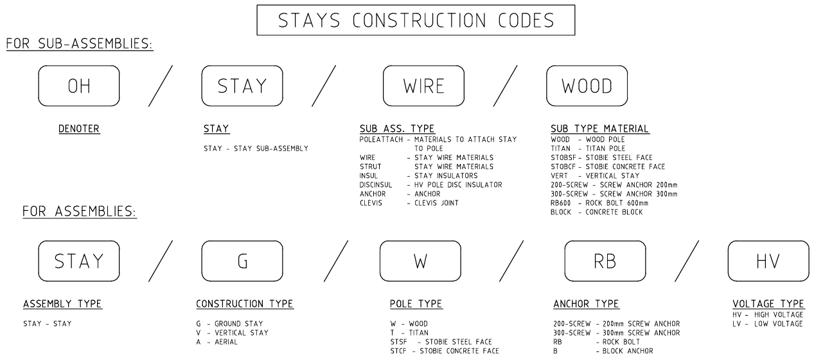

SECTION 9 - EARTHING

