Methodology
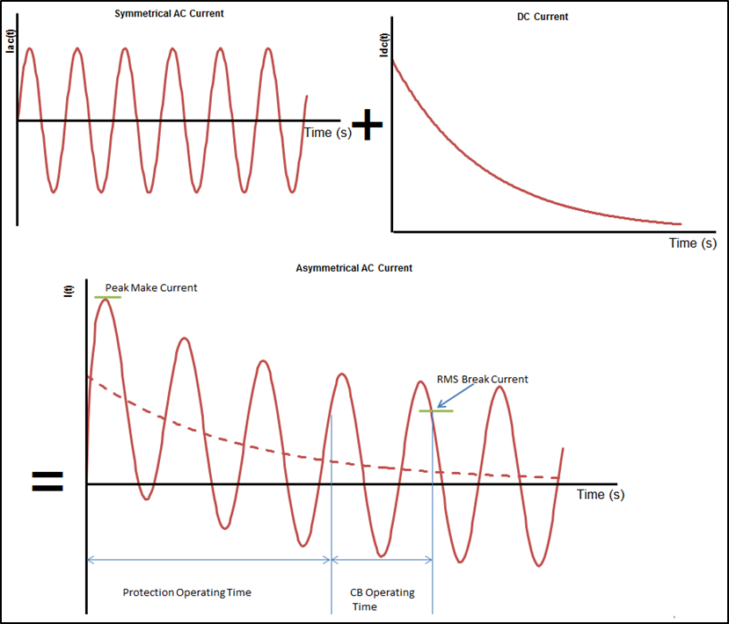
Fault level and sequence impedances
We calculate fault currents at transmission network substations in accordance with the recommendations of Australian Standard AS 3851-1991 – “The calculation of short-circuit currents in three-phase AC systems”. From this, the maximum fault currents calculated at 1.1 pu voltage and the minimum at 0.9 pu voltage. The Thevenin impedance is defined as the source impedance back to the generators, and large motors where considered. This method thus defines the extreme envelope for all fault currents and is appropriate to be used for future planning. We recognise that at particular network locations the actual envelope could be smaller but this would need confirmation with detailed local studies.

Figure B–1 illustrates the AC and DC components that make up fault currents. The size and rate of decay of the DC component is a function of the ratio between the reactance (X) and the resistance (R) of the impedance between the faulted point of the system and the generation feeding the fault. This ratio is defined as the X/R ratio of the system, with the DC component decaying with time constant X/2πfR.

The maximum current that a circuit breaker will be exposed to is defined as the Peak Make Current. During fault conditions, the current a circuit breaker is expected to break is known as the RMS Break Current. This is defined as the RMS of the symmetrical AC component of the fault current plus the offset by the DC component at that point.

 | Figure B–1: Components of AC fault current

