Cover
 | Model Details

 | Model Name: | Alternative Control Services Model


 | Created By: | TasNetworks
 | Phone Number: | 1300 137 008
 | Email: | Network.Tariff@tasnetworks.com.au

 | Date: | 31-Mar-21

 | Customer Details: | Australian Energy Regulator (AER)

Model Description/Scope

Model Description

This is TasNetworks' alternative control pricing model for our annual pricing proposal to the Australian Energy Regulatory (AER) for the regulatory control period 2019-20 to 2023-24. The model includes prices for ancillary services - fee based services, ancillary services - quoted services, metering, and public lighting in accordance with TasNetworks Final Regulatory Determination for 2019-20 to 2023-24.

Scope/Disclaimer

ACS Price Control Formula
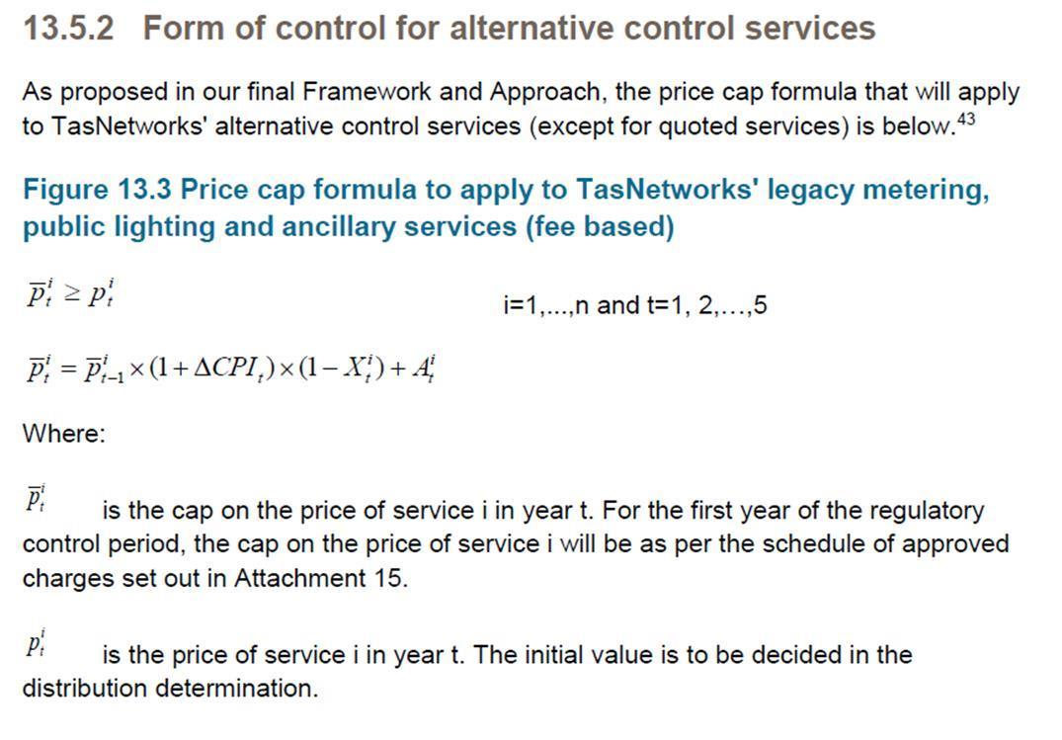
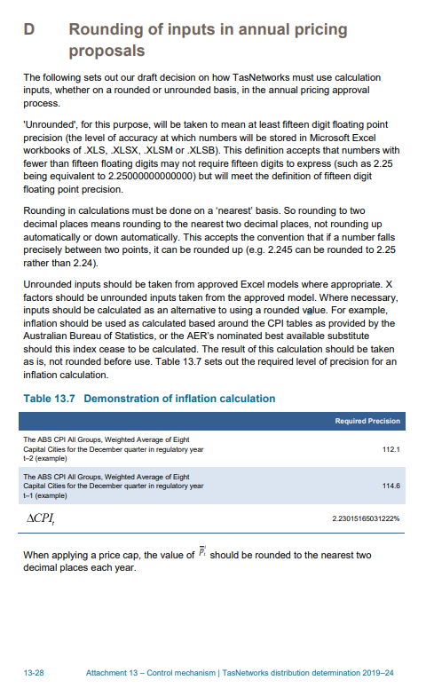
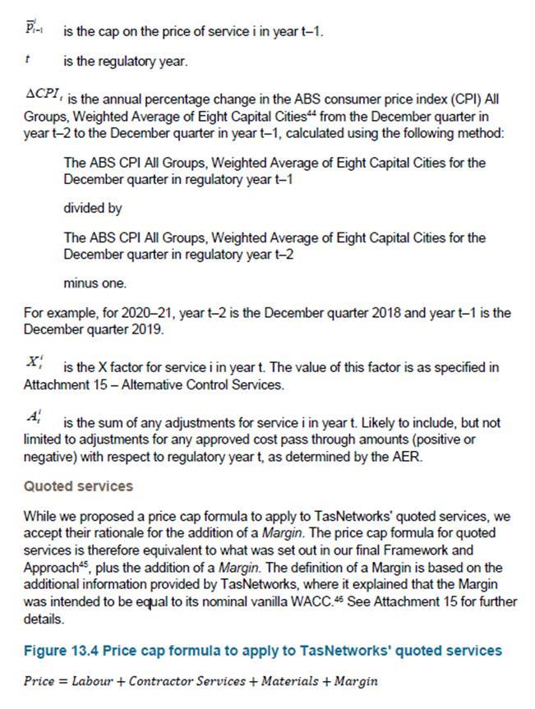
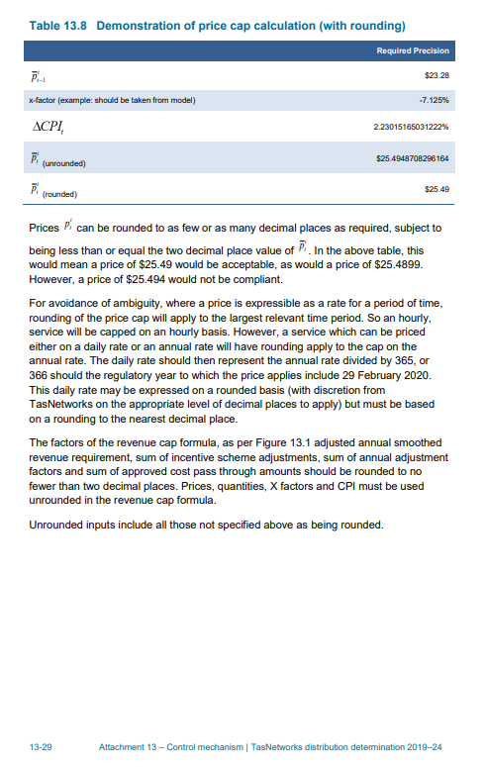
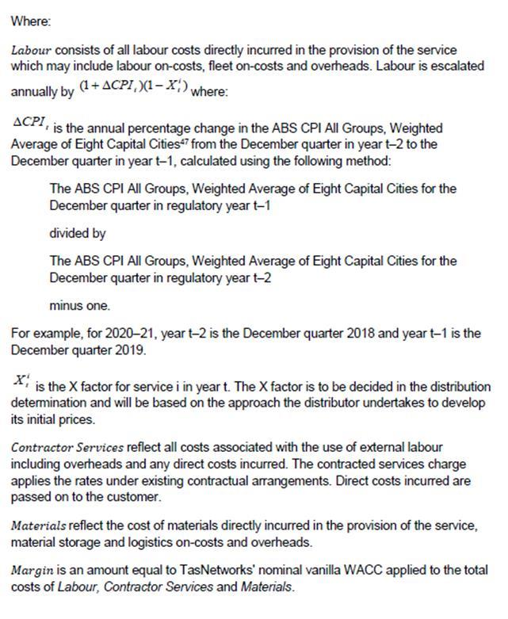
Final decision | https://www.aer.gov.au/system/files/AER%20-%20Final%20decision%20-%20TasNetworks%20distribution%20determination%202019-24%20-%20Attachment%2015%20-%20Alternative%20control%20services%20-%20April%202019.pdf

Control Mechanisms | https://www.aer.gov.au/system/files/AER%20-%20TasNetworks%202019-24%20-%20Distribution%20-%20Draft%20decision%20-%20Attachment%2013%20-%20Control%20mechanism%20-%20September%202018.pdf

